Sheet1
SUPER MATERIALS ONE MEMBER COMPANY LIMITED
Tax Code. 0315502282 | Postal Code. 700000
A. 187/7 Dien Bien Phu Street, Da Kao Ward, District 1, Ho Chi Minh City, Vietnam
T. +84 98 9944 746 | F. -
E. purchasing@ss-materials.com | W. www.ss-materials.com
PURCHASE ORDER
PO No.: SM-HIGHTEMP/300919
Date: Sept 30, 2019
 |  |  |  |  |  |  |  | Number of page: 01
FROM: SUPER MATERIALS ONE MEMBER COMPANY LIMITED A. 187/7 Dien Bien Phu Street, Da Kao Ward, District 1 Ho Chi Minh City, Vietnam T. +84 98 9944 746 | F. - |  |  |  |  | TO: HIGH TEMP METALS INC A. 12500 Foothill Blvd., Sylmar, CA 91342-6038, USA T. +1818 362 5357 | F. +1818 362 9884 Attn': Vanik Alvandian

Thank you for your quote, we are pleased to ORDER the following materials:

No. | Items and Description |  |  |  | Quantity (Pc) | Total Weight (Lb) | Unit Price (USD/Lb) | Total Price (USD)
1 | ALLOY X SHEET - AMS 5536P |  |  |  | 9 | 498 | 15.28 | 7,609.44
 | Mill Origin: Huntington Alloys Corporation, Special Metals / USA
 | Material Heat: ZZ8464XG SP81A
 | Dimension: 0.120/0.130" x 36" x 40" (shear tol. +/- .125")
2 | ALLOY L605 (HAYNES ALLOY 25) PLATE - AMS 5537J |  |  |  | 1 | 37 | 58.57 | 2,167.09
 | Mill Origin: Haynes International / USA
 | Heat Number: 186051436
 | Dimension: 0.385/0.425" x 5.625" x 48"
3 | CUTTING CHARGE |  |  |  | - | - | 225.00 | 225.00
4 | PACKING CHARGE |  |  |  | - | - | 40.00 | 40.00
TOTAL |  | EXW Sylmar, California 91342, USA |  |  | 10 | 535 |  | 10,041.53

* Lead Time: |  |  | 4 to 5 working days.
* Delivery Term: |  |  | EXW Sylmar, California 91342, USA.
* Payment Term: |  |  | 100% in advance.
* Required Documents: |  |  | Certificate of Origin, Mill Test Certificates, Commercial Invoice, Packing List.
* Packing: |  |  | Suitable packing for export by AIR.
* Marking: |  |  | Materials have original marking on surface, in case plates are cut from a big plate please mark Material Grade, Spec., Dimension, Mill Maker and Heat Number on its surface by marker.

* Freight Instructions: |  |  | Through airfreight Forwarder named EXPRESS AIR FREIGHT / SKYLINE FREIGHT. Attn: Tony Rendon TEL: (310) 642 - 8001 | FAX: (310) 642 - 8012 | EMAIL: trendon@eafusa.com

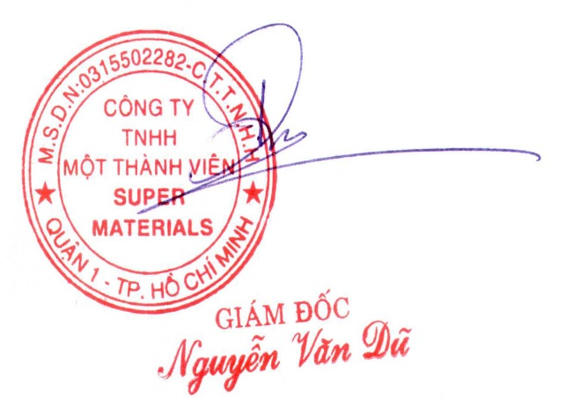
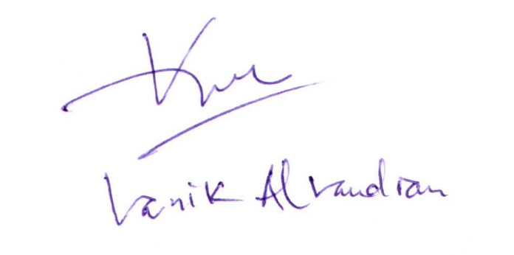
CONFIRMATION OF BUYER |  |  |  | CONFIRMATION OF SELLER

